WACC
 | Bill | Paypal |  |  |  | SP500 returns last 10 years
WACC |  |  |  |  |  | 2013-12-31 | 29.6
Market Cap | 13.29 billion | 80.44 billion |  |  |  | 2014-12-31 | 11.39
 |  |  |  |  |  | 2015-12-31 | -0.73
 |  |  |  |  |  | 2016-12-30 | 9.54
Source: alphaspread.com |  |  |  |  |  | 2017-12-29 | 19.42
 |  |  |  |  |  | 2018-12-31 | -6.24
https://taxfoundation.org/combined-federal-state-corporate-tax-rates-2022/#:~:text=Corporations%20in%20the%20United%20States,at%20a%2021%20percent%20rate. |  |  |  |  |  | 2019-12-31 | 28.88
US corporate tax rate is 21% |  |  |  |  |  | 2020-12-31 | 16.26
 |  |  |  |  |  | 2021-12-31 | 26.89
Annual Salary growth averages (used last year's) |  |  |  |  |  | 2022-12-31 | -19.44
https://www.ssa.gov/oact/cola/awidevelop.html |  |  |  |  |  | Average | 11.557
riskfree rate: | https://ycharts.com/indicators/20_year_treasury_rate#:~:text=20%20Year%20Treasury%20Rate%20is,a%20maturity%20of%2020%20years.
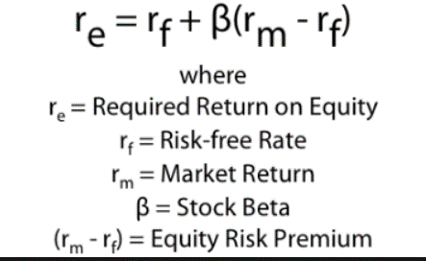
 | Bill | Paypal
Beta (5Y Yahoo) | 1.93 | 1.32 | risk-free rate | 4.11%
Cost of Equity | 18.48% | 13.94% | SP500 avg return (10 yr) | 11.56%
Cost of debt | 4.35% | 5.05% | Market risk premium | 7.45% |  |  |  |  |  | V =2.29
D/E Ratio | 0.4404 | 0.53 | Tax Rate | 21% |  |  |  | D=1.29
D/V | 0.31 | 0.35 | WACC_Average unlevered | 8.85% |  |  |  | E=1
E/V | 0.69 | 0.65
WACC | 13.88% | 10.49%
WACC unlevered | 10.30% | 7.40% |  |  |  |  |  |  | D/V=1.29/2.29

Paypal cost of debt | https://cbonds.com/bonds/1278351/
10k Paypal | https://s201.q4cdn.com/231198771/files/doc_financials/2023/ar/PayPal-Holdings-Inc-Combined-2023-Proxy-Statement-and-2022-Annual-Report.pdf
10k Bill | https://s24.q4cdn.com/404137088/files/doc_financials/2022/q4/Bill.com-10K.pdf
From Bill's 10k: | "As of June 30, 2022, the interest rate on borrowings from the Class A facility was 4.35% per annum"
Paypal D/E ratio | https://www.morningstar.com/stocks/xnas/pypl/quote
Bill D/E ratio | https://www.wsj.com/market-data/quotes/BILL/financials |  |  |  | WACC_unlevered = WACC_levered / (1 + ((1 - Tax Rate) * (D/E)))

